link
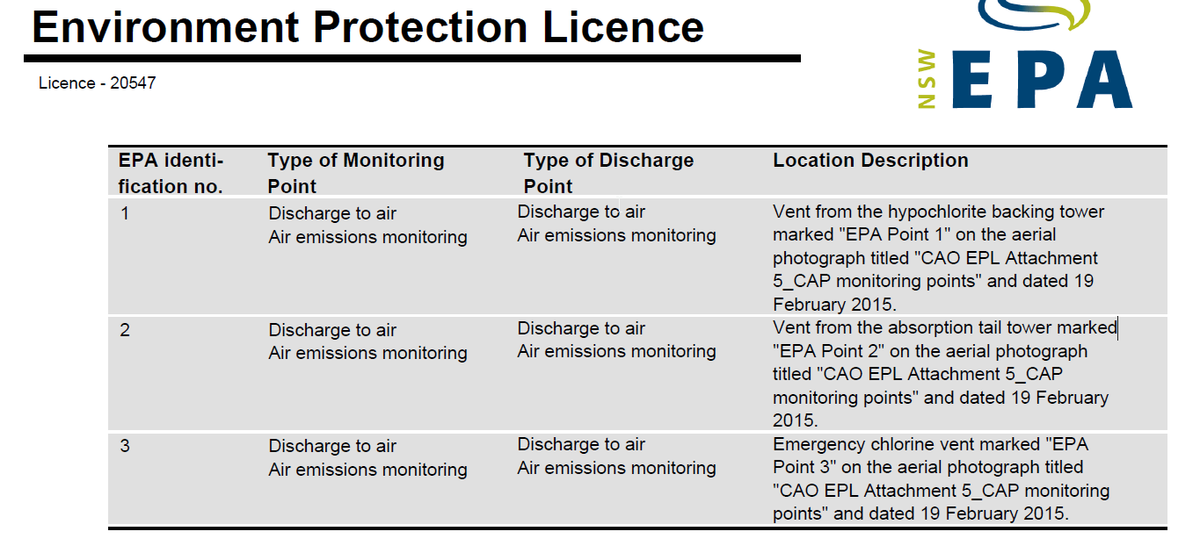
IXOM EPL LICENSE ON EPA WEBSITE
http://www.epa.nsw.gov.au/prpoeoapp/Detail.aspx?instid=20547&id=20547&option=licence&searchrange=licence&range=POEO%20licence&prp=no&status=Issued

